Credits
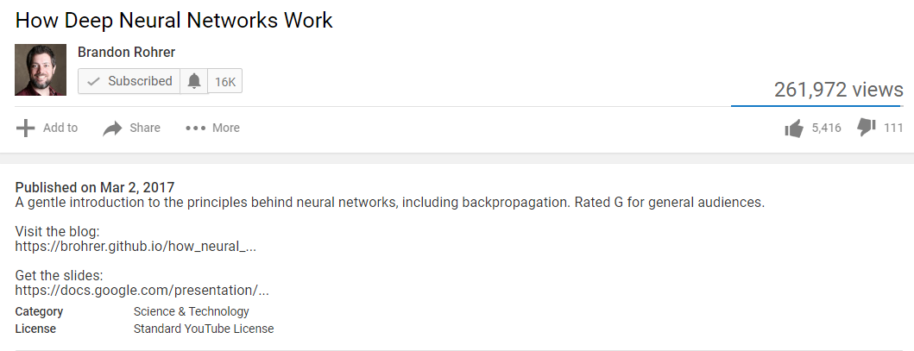
Interactive Demonstration of Nural Network

This workbook provides an interactive demonstration of neural network for basic understandarstanding purpose for those who are just beguining to understand the concept.
Purpose of ths workbook is to build visualization of how nural network works.
This workbook only demonstrates only part of theconcepts explained in YouTube videolisted below.
Created By:
Parvez Purkar

Credits:

Interactive demonstration of Nural Network presented in this workbook is based on an a presentation made by Brabdon Rohrer in his youTube video.

YouTube video URL and a YouTube author/article introduction screenshot is included for full reference.
https://www.youtube.com/watch?v=ILsA4nyG7I0

